Dashboard
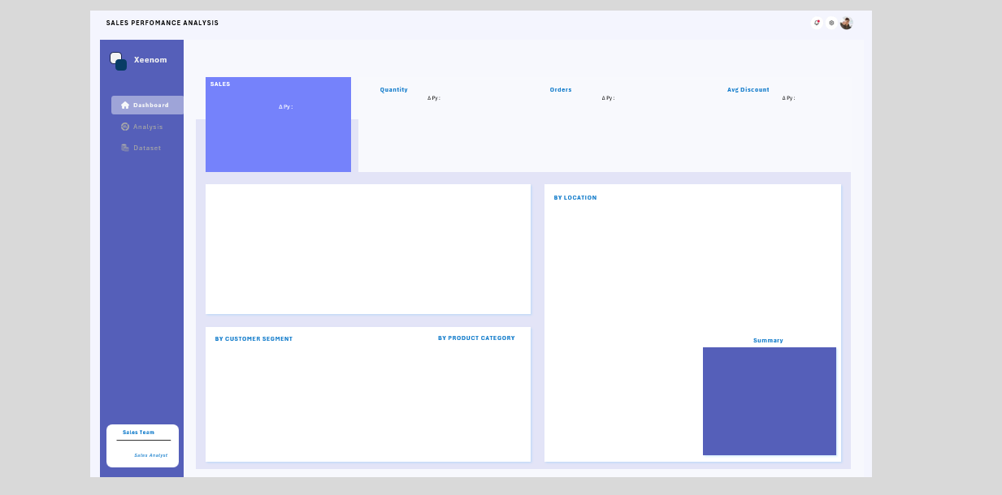

$59.95K
1,079
251
7.20%
 | Total
Jan | 51
Feb | 16
Mar | 79
Apr | 48
May | 84
Jun | 86
Jul | 76
Aug | 63
Sep | 177
Oct | 84
Nov | 173
Dec | 142
 | Total
Jan | 10
Feb | 6
Mar | 19
Apr | 14
May | 21
Jun | 16
Jul | 17
Aug | 15
Sep | 42
Oct | 21
Nov | 38
Dec | 32
 | Total
Jan | 8.33%
Feb | 13.33%
Mar | 3.81%
Apr | 7.14%
May | 6.67%
Jun | 7.78%
Jul | 3.16%
Aug | 7.50%
Sep | 8.40%
Oct | 7.83%
Nov | 7.89%
Dec | 7.03%

 | Total
Jan | $2.1K
Feb | $2.4K
Mar | $4.0K
Apr | $2.1K
May | $3.8K
Jun | $4.8K
Jul | $7.5K
Aug | $4.3K
Sep | $10.2K
Oct | $5.2K
Nov | $7.9K
Dec | $5.5K

MONTHLY TREND
 | Total Revenue | Total Revenue PY
Feb | $2.4K | 361.03
Mar | $4.0K | 2472.174
Apr | $2.1K | 1648.44
Jun | $4.8K | 1587.228
Jul | $7.5K | 1254.086
Sep | $10.2K | 7137.128
Oct | $5.2K | 3503.112
Nov | $7.9K | 8081.376
Dec | $5.5K | 5752.47
Aug | $4.3K | 4104.318
Jan | $2.1K | 2025.738
May | $3.8K | 3968.754
California | $13.5K
Washington | $9.1K
New York | $4.8K
Pennsylvania | $4.3K
Michigan | $3.2K

 | Total
Home Office | $12.9K
Consumer | $22.9K
Corporate | $24.1K
SEGMENT DISTRIBUTION BY MARKET
 | Consumer | Corporate | Home Office
South | $3.1K | $2.9K | $2.1K
Central | $4.2K | $2.1K | $4.6K
East | $5.7K | $6.9K | $2.2K
West | $9.9K | $12.2K | $4.0K
 | Total
Technology | $59.9K
TOP 5 MARKETS: California 22.6% ($14K), Washington 15.2% ($9K), New York 8.0% ($5K), Pennsylvania 7.3% ($4K), Michigan 5.3% ($3K). CONCENTRATION: Top 5 states account for 58.3% of total revenue, top 3 drive 45.8%. California outperforms average state by +712.9%. REGIONAL: West region dominates with 43.4% ($26K), while South lags at 13.6% ($8K). INSIGHT: Geographic concentration risk high. Recommend diversification into South region and mid-tier markets to reduce dependency on top performers.

Total Revenue

Dashboard (3)
obs

SALES PERFOMANCE ANALYSIS

Xeenom

SALES
Quantity
Orders
Avg Discount

Dashboard
Δ Py :
Δ Py :
Δ Py :
Δ Py :

Analysis

Dataset

BY LOCATION

BY CUSTOMER SEGMENT
BY PRODUCT CATEGORY
Summary

Sales Team

Sales Analyst

Total Revenue

